ART
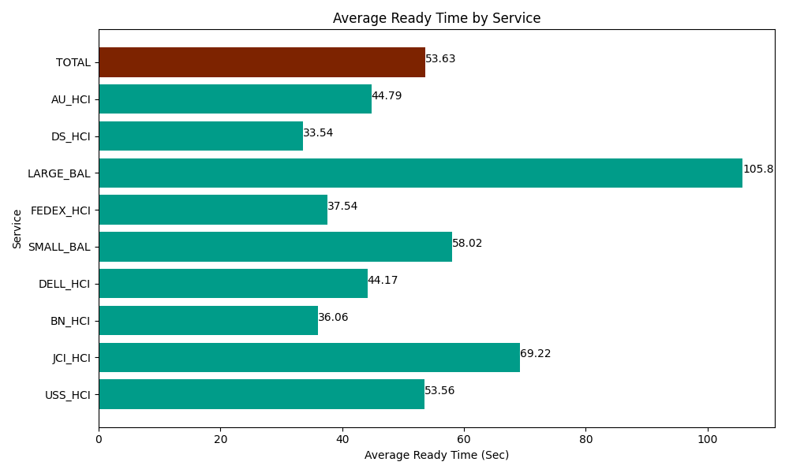
Date | Service | Successful Op Transfer | In Call (Sec) | Ready (Sec) | Wrapup (Sec) | Not Ready (Sec) | Average Ready Time (Sec)
05-21-2024 | USS_HCI | 314 | 60990 | 16819.200439 | 43540.198975 | 25072.800293 | 53.56
05-21-2024 | JCI_HCI | 91 | 9142.199707 | 6298.8002014 | 7510.8000183 | 3178.2000732 | 69.22
05-21-2024 | BN_HCI | 1037 | 65245.803223 | 37390.799561 | 86743.798828 | 66853.198242 | 36.06
05-21-2024 | DELL_HCI | 89 | 10318.200073 | 3931.1997986 | 31792.199707 | 6346.1997986 | 44.17
05-21-2024 | SMALL_BAL | 238 | 14820 | 13808.999634 | 30580.799561 | 39034.200439 | 58.02
05-21-2024 | FEDEX_HCI | 114 | 9127.199707 | 4279.1999817 | 11408.999634 | 10971.000366 | 37.54
05-21-2024 | LARGE_BAL | 6 | 580.20000458 | 634.79999542 | 658.79997253 | 121.79999828 | 105.8
05-21-2024 | DS_HCI | 740 | 51823.198242 | 24823.200073 | 62173.198242 | 84526.801758 | 33.54
05-21-2024 | AU_HCI | 180 | 15154.80011 | 8062.800293 | 16898.999634 | 13570.799561 | 44.79
 | TOTAL | 2809 | 237201.60107 | 116048.99998 | 291307.79457 | 249675.00053 | 53.63

